Sheet1
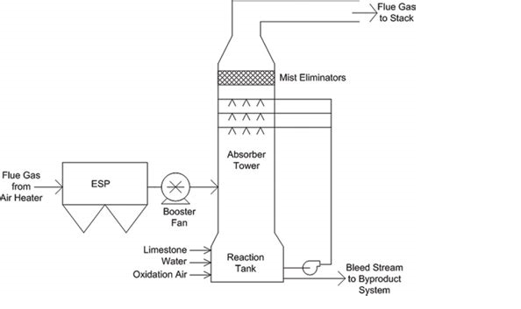
Vertical Spray Tower (No Packings)

Velocity Considerations:
Max Permissible Gas Velocity (ugmax) is 2.3 m/s (to prevent liquid entrainment)

Diameter of Tower:

where:
qv = | Actual volume flow of flue gas in m3/s
ug = | gas velocity through tower, m/s = <2.3 m/s

Number of Gas Phase Transfer Unit Required for Separation:

where:
NG = | No. of Gas Phase Transfer Units
y1 = | gas phase solute mole fraction at inlet
y2 = | gas phase solute mole fraction at outlet

Total Volume of Spray Section:

where:
V = | Volume of spray section, m3
NG = | No. of Gas Phase Transfer Units
Gm = | Flow rate of gas phase, kmol/s
KGa = | Gas-Phase mass transfer coefficient for spray section, kmol/m3.s

Empirical Correlation for Gas-Phase Mass Transfer Coefficient (for Spray Section) Turbulent Contacting Spray Towers
Reference: Analysis & Simulation of Recycle SO2-Lime Slurry in TCA Scrubber System
EPA Report: EPA 600/7-77-026, March 1977

where:
L = | liquid volume flux, l/s.m2 (This is the scrubbing liquid volume flow rate in
 | litres expressed per unit cross-sectional area of the tower)

Scrubbing Liquid Rate
Generally for flue gas scrubbing the rate of liquid should be at least 3 liters per act. cubic meter of flue gas for gas absorbers.
For preliminary design this value is recommended to be used
EPA Air Pollution Control Technology Fact Sheet

Example Calculation
Inputs:
Flue Gas Flow = | 24000 | Nm3/h
Pr of Flue Gas = | 0.0147 | barg
Temp of Flue Gas = | 90 | ⁰C
Inlet SO2 = | 4000 | ppmv
Outlet SO2 = | 200 | ppmv
Scrubbing Liq = | Lime | (6-10% by weight in water)
Scrubbing Liq Rate = | 3 | l/actual m3
ugmax = | 2.3 | m/s
ug as % of ugmax = | 75 | %
Mol Wt of Flue Gas = | 31.8 | kg/kmol
Outputs

Abs Pressure of Flue Gas = | 1.02795 | bara
Abs Temp of Flue Gas = | 363.15 | K
qv = | 31451.452496 | m3/h @P,T
 | 8.7365145822 | m3/s
ug = | 1.725 | m/s
D = | 2.54 | M
Density of Flue Gas @NTP | 1.42 | kg/m3
Mass flow of Flue gas = | 34050.15 | kg/h
Density of Flue Gas @P,T = | 1.08 | kg/m3
Actual volume flow of flue gas = | 31451.44 | m3/h | (Actual Volume Flow)
Scrubbing Liq Circulation = | 94.35 | m3/h
Inlet SO2 mole fraction y1 = | 0.004
Outlet SO2 mole fraction y2 = | 0.0002
NG = | 19
Gm = | 0.2974331519 | kmol/s
L = | 26.21 | l/s.m2
KGa = | 0.222 | kmol/m3.s
V = | 25.5 | m3
Height of spray section, H = | 5.0 | m

